0 - Onboarding
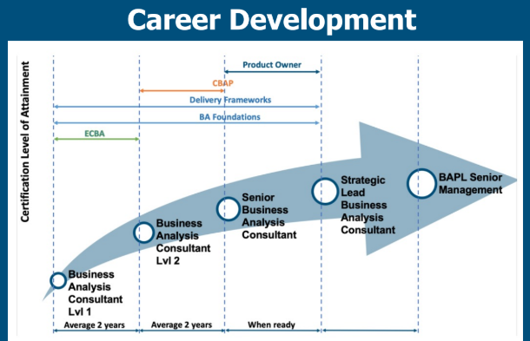
Items Covered
1 | 2 Key Items
 | - Competency Self Assessment
 | - Career Development Plan
2 | Certification
3 | Professional Development (PD Sessions live and recorded)
4 | IIBA membership
5 | Ongoing Support
6 | Thought Leadership
 | - Service IP, Knowledge share, Conferences

 | Folder Created by Colleen

