Instructions
 | Stream 4 Business Readiness Assessment

 | Subjectively answer the readiness status of each line item criteria in either a 'Yes/No/Partially' answer
 | Using PROSCI's change management framework please subjectively benchmark the level of readiness for each criteria based on the criterias readiness answers.

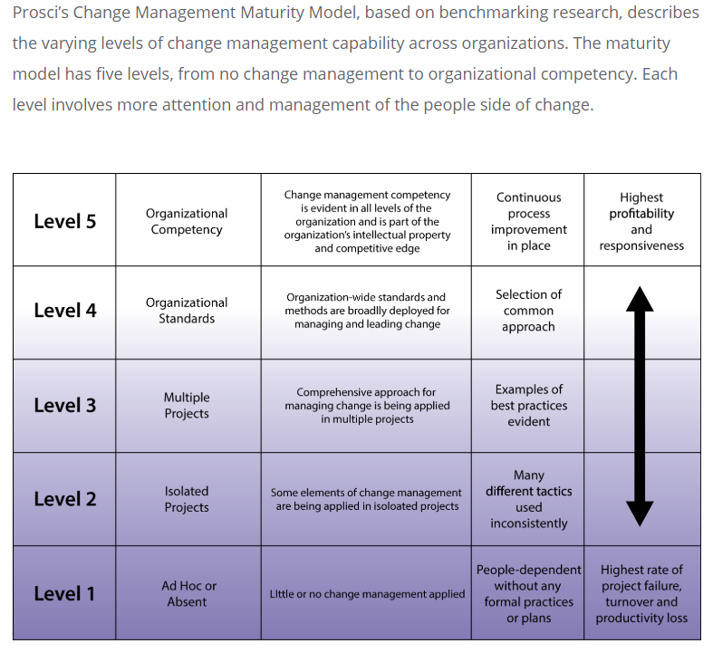

 | Further details on the PROSCI framework is detailed in the following:
 | https://www.prosci.com/resources/articles/change-management-maturity-model

Business Analysts Pty Ltd copyright © 2012 www.business-analysis.com.au |  | Template Version 0.2

BRA
 | Business Readiness Assessment

 | Reference | Readiness Criteria | Priority (High/Medium/Low) | Readiness Status (Yes/No/Partially) | Degree of Difficulty (High/Medium/Low)
 | 1-00 | Scope |  | PROSCI Scale = 1 - Ad Hoc
 | 1-07 | Is project scope defined | High | Yes | High
Select from the dropdown the Priority, Readiness status, and the degree of difficulty
 | 1-08 | Is there a scope statement | High
 | 1-09 | Is project scope agreed to by Project Executives | Low
 | 1-10 | Is project scope agreed to by Project Management Office |  | No
 | 1-11 | Are the main internal stakeholder(s) identified |  |  | High
 | 1-12 | Are the main external stakehodler(s) identified
 | 2-00 | Desire, Willingness and Resolve |  | PROSCI Scale = 2 - Isolated Projects
 | 2-07 | Is there commitment from the business to proceed with the project
 | 2-08 | Is there commitment from IT to committ to proceed with the project
 | 2-09 | Have difficult stakeholder(s) been identified
 | 2-10 | Has any/all predecessor activities been completed
 | 2-11 | Are there any related projects which can interfere with the project commitment
 | 2-12 | Are there any related projects which can interfere with project activities
 | 3-00 | Managerial Artefacts |  | PROSCI Scale = 2 - Isolated Projects
 | 3-07 | Has the managerial products been identified and inputed into the Configuration Register
 | 3-08 | Are there templates for all managerial products
 | 3-09 | Has a RACI been applied to the managerial products
 | 3-10 | Has resources been allocated to the managerial products
 | 4-00 | Specialist Artefacts |  | PROSCI Scale = 2 - Isolated Projects
 | 4-07 | Has the Specialist products been identified and inputed into the Configuration Register | Medium
 | 4-08 | Are there templates for all specialist products
 | 4-09 | Has a RACI been applied to the specialist products
 | 4-10 | Has resources been allocated to the specialist products
 | 5-00 | Funding |  | PROSCI Scale = 3 - Multiple Projects
 | 5-07 | Has allocated funding been allocated
 | 5-08 | Has project resources been allocated
 | 5-09 | Has forecast been projected
 | 5-10 | Has a baseline been projected
 | 5-11 | Has external or business resources been considered
 | 6-00 | Schedule |  | PROSCI Scale = 2 - Isolated Projects
 | 6-07 | Has a high level schedule been developed
 | 6-08 | Has project team resources been identified
 | 6-09 | Has managerial artefacts been overlayed onto the schedule
 | 6-10 | Has specialist artefacts been overlayed onto the schedule
 | 6-11 | Have dependencies across tasks been overlayed
 | 6-12 | Have milestones been identified
 | 7-00 | Project Sponsorship |  | PROSCI Scale = 3 - Multiple Projects
 | 7-07 | Is there a Project Board
 | 7-08 | Is there a Project Executive
 | 7-09 | Do the Project Board Members understand their responsibility
 | 8-00 | Governance |  | PROSCI Scale = 1 - Ad Hoc
 | 8-07 | Determination of project methodology
 | 8-08 | Is there an allocated project folder
 | 8-09 | Has a Project Board terms of reference been created
 | 8-10 | Has a Quality Management Strategy been developed
 | 8-11 | Has the Sharepoint Site been set up appropriately
 | 8-12 | Has the Configuration Management Strategy been developed
 | 9-00 | IT Capacity to execute |  | PROSCI Scale = 2 - Isolated Projects
 | 9-07 | Has the current state been identified
 | 9-08 | Has affected systems been identified
 | 9-09 | Has existing or affected systems been analysed
 | 9-10 | Has existing or affected data been identified
 | 9-11 | Has affected data been analysed
 | 9-12 | Is the existing or replacement system able to accommodate the increased work load
 | 10-00 | Business Capacity to Execute |  | PROSCI Scale = 2 - Isolated Projects
 | 10-07 | Are related processes documented
 | 10-08 | Has new processes been designed
 | 10-09 | Has new processes been agreed to by the business
 | 10-10 | Has new processes been communicated to by all stakeholders
 | 10-11 | Are affected stakeholders set up and prepared for the additional/new work
 | 10-12 | Has new resources been deployed to help with additional/new work
 | 11-00 | Project ability to implement and operate |  | PROSCI Scale = 2 - Isolated Projects
 | 11-07 | Do project resources undestand scope
 | 11-08 | Are the appropriate resources onboarded
 | 11-09 | Do project resources have all the tools they require
 | 11-10 | Is there a project team terms of reference
 | 11-11 | Is there a high level schedule
 | 11-12 | Have milestones been identified
 | 11-13 | Have project deliverables been identified
 | 11-14 | Has a RACI been applied to project artefacts
 | 11-15 | Do resources understand the project inputs and outputs
 | 11-16 | Do resources understand timeframes
 | 12-00 | Impacts |  | PROSCI Scale = 2 - Isolated Projects
 | 12-07 | At a high level has the people impacts been considered
 | 12-08 | At a high level has the data impacts been considered
 | 12-09 | At a high level has the process impacts been considered
 | 12-10 | At a high level has the technology impacts been considered
 | 12-11 | Are the business(people) ready for the change
 | 12-12 | Is the associated data ready for the change
 | 13-00 | Communication |  | PROSCI Scale = 1 - Ad Hoc
 | 13-07 | Have the main stakeholders been identified
 | 13-08 | Has the communications officer been onboarded
 | 13-08 | Is there an existing communications strategy from the business the project needs to adopt
 | 13-09 | Do we need to create a custom commuication strategy
 | 13-10 | Has the communication strategy been approved

Business Analysts Pty Ltd copyright © 2012 www.busanalysts.com.au |  |  |  |  | Template Version 0.2

